Table 1
P.O. Box 15284 Wilmington, DE 19850 |  |  |  |  |  | Customer service information
 | UNIQUE NATURAL LLC 4715 SELLMAN RD STE C BELTSVILLE, MD 20705-2571 |  | 1.888.BUSINESS (1.888.287.4637) bankofamerica.com Bank of America, N.A. P.O. Box 25118 Tampa, FL 33622-5118
Your Business Advantage Fundamentals™ Banking Preferred Rewards for Bus Gold for December 1, 2023 to December 31, 2023 Account number: 4460 5233 6357 UNIQUE NATURAL LLC Account summary
Beginning balance on December 1, 2023 $24,500.83 Deposits and other credits 79,974.39 Withdrawals and other debits -10,193.33 Checks -66,980.50 Service fees -0.00 Ending balance on December 31, 2023 $27,301.39 |  |  |  |  |  |  |  |  |  |  |  |  | # of deposits/credits: 30 # of withdrawals/debits: 33 # of items-previous cycle¹: 19 # of days in cycle: 31 Average ledger balance: $20,730.83 ¹Includes checks paid, deposited items and other debits
PULL: E CYCLE: 48 SPEC: E DELIVERY: E TYPE: IMAGE: I BC: MD Page 1 of 10
IMPORTANT INFORMATION: BANK DEPOSIT ACCOUNTS How to Contact Us - You may call us at the telephone number listed on the front of this statement. Updating your contact information - We encourage you to keep your contact information up-to-date. This includes address, email and phone number. If your information has changed, the easiest way to update it is by visiting the Help & Support tab of Online Banking. Deposit agreement - When you opened your account, you received a deposit agreement and fee schedule and agreed that your account would be governed by the terms of these documents, as we may amend them from time to time. These documents are part of the contract for your deposit account and govern all transactions relating to your account, including all deposits and withdrawals. Copies of both the deposit agreement and fee schedule which contain the current version of the terms and conditions of your account relationship may be obtained at our financial centers. Electronic transfers: In case of errors or questions about your electronic transfers - If you think your statement or receipt is wrong or you need more information about an electronic transfer (e.g., ATM transactions, direct deposits or withdrawals, point-of-sale transactions) on the statement or receipt, telephone or write us at the address and number listed on the front of this statement as soon as you can. We must hear from you no later than 60 days after we sent you the FIRST statement on which the error or problem appeared. - Tell us your name and account number. - Describe the error or transfer you are unsure about, and explain as clearly as you can why you believe there is an error or why you need more information. - Tell us the dollar amount of the suspected error. For consumer accounts used primarily for personal, family or household purposes, we will investigate your complaint and will correct any error promptly. If we take more than 10 business days (10 calendar days if you a

Deposits and other credits
Date |  | Description |  |  |  |  |  |  |  |  |  |  |  |  |  |  |  | Amount
2023-12-01 |  | CNDT/GOEBTIOP DES:IOP PAYMNT ID:5752268 ID:XSCMLEBT00 CCD |  |  |  |  |  |  | INDN:MD HALAL MARKET |  |  |  |  |  | CO |  |  | 1,667.87
2023-12-04 |  | CNDT/GOEBTIOP DES:IOP PAYMNT ID:5752268 ID:XSCMLEBT00 CCD |  |  |  |  |  |  | INDN:MD HALAL MARKET |  |  |  |  |  | CO |  |  | 2,546.00
2023-12-04 |  | CNDT/GOEBTIOP DES:IOP PAYMNT ID:5752268 ID:XSCMLEBT00 CCD |  |  |  |  |  |  | INDN:MD HALAL MARKET |  |  |  |  |  | CO |  |  | 1,978.37
2023-12-04 |  | CNDT/GOEBTIOP DES:IOP PAYMNT ID:5752268 ID:XSCMLEBT00 CCD |  |  |  |  |  |  | INDN:MD HALAL MARKET |  |  |  |  |  | CO |  |  | 1,715.87
2023-12-05 |  | CNDT/GOEBTIOP DES:IOP PAYMNT ID:5752268 ID:XSCMLEBT00 CCD |  |  |  |  |  |  | INDN:MD HALAL MARKET |  |  |  |  |  | CO |  |  | 2,526.19
2023-12-06 |  | CNDT/GOEBTIOP DES:IOP PAYMNT ID:5752268 ID:XSCMLEBT00 CCD |  |  |  |  |  |  | INDN:MD HALAL MARKET |  |  |  |  |  | CO |  |  | 2,773.80
2023-12-07 |  | CNDT/GOEBTIOP DES:IOP PAYMNT ID:5752268 ID:XSCMLEBT00 CCD |  |  |  |  |  |  | INDN:MD HALAL MARKET |  |  |  |  |  | CO |  |  | 1,859.61
2023-12-08 |  | CNDT/GOEBTIOP DES:IOP PAYMNT ID:5752268 ID:XSCMLEBT00 CCD |  |  |  |  |  |  | INDN:MD HALAL MARKET |  |  |  |  |  | CO |  |  | 4,096.58
2023-12-11 |  | CNDT/GOEBTIOP DES:IOP PAYMNT ID:5752268 ID:XSCMLEBT00 CCD |  |  |  |  |  |  | INDN:MD HALAL MARKET |  |  |  |  |  | CO |  |  | 3,457.07
2023-12-11 |  | CNDT/GOEBTIOP DES:IOP PAYMNT ID:5752268 ID:XSCMLEBT00 CCD |  |  |  |  |  |  | INDN:MD HALAL MARKET |  |  |  |  |  | CO |  |  | 3,231.63
2023-12-11 |  | CNDT/GOEBTIOP DES:IOP PAYMNT ID:5752268 ID:XSCMLEBT00 CCD |  |  |  |  |  |  | INDN:MD HALAL MARKET |  |  |  |  |  | CO |  |  | 1,515.63
2023-12-12 |  | CNDT/GOEBTIOP DES:IOP PAYMNT ID:5752268 ID:XSCMLEBT00 CCD |  |  |  |  |  |  | INDN:MD HALAL MARKET |  |  |  |  |  | CO |  |  | 2,775.46
2023-12-13 |  | CNDT/GOEBTIOP DES:IOP PAYMNT ID:5752268 ID:XSCMLEBT00 CCD |  |  |  |  |  |  | INDN:MD HALAL MARKET |  |  |  |  |  | CO |  |  | 2,310.82
2023-12-14 |  | CNDT/GOEBTIOP DES:IOP PAYMNT ID:5752268 ID:XSCMLEBT00 CCD |  |  |  |  |  |  | INDN:MD HALAL MARKET |  |  |  |  |  | CO |  |  | 1,489.19
2023-12-15 |  | CNDT/GOEBTIOP DES:IOP PAYMNT ID:5752268 ID:XSCMLEBT00 CCD |  |  |  |  |  |  | INDN:MD HALAL MARKET |  |  |  |  |  | CO |  |  | 3,033.28
 |  |  |  |  |  |  |  |  |  |  |  |  |  |  |  |  |  | continued on the next page

Deposits and other credits - continued
Date |  | Description |  |  |  |  |  |  |  |  |  |  |  |  |  |  |  | Amount
2023-12-18 |  | CNDT/GOEBTIOP DES:IOP PAYMNT ID:5752268 ID:XSCMLEBT00 CCD |  |  |  |  |  |  | INDN:MD HALAL MARKET |  |  |  |  |  | CO |  |  | 3,705.94
2023-12-18 |  | CNDT/GOEBTIOP DES:IOP PAYMNT ID:5752268 ID:XSCMLEBT00 CCD |  |  |  |  |  |  | INDN:MD HALAL MARKET |  |  |  |  |  | CO |  |  | 3,186.93
2023-12-18 |  | CNDT/GOEBTIOP DES:IOP PAYMNT ID:5752268 ID:XSCMLEBT00 CCD |  |  |  |  |  |  | INDN:MD HALAL MARKET |  |  |  |  |  | CO |  |  | 1,858.60
2023-12-19 |  | CNDT/GOEBTIOP DES:IOP PAYMNT ID:5752268 ID:XSCMLEBT00 CCD |  |  |  |  |  |  | INDN:MD HALAL MARKET |  |  |  |  |  | CO |  |  | 4,550.86
2023-12-20 |  | CNDT/GOEBTIOP DES:IOP PAYMNT ID:5752268 ID:XSCMLEBT00 CCD |  |  |  |  |  |  | INDN:MD HALAL MARKET |  |  |  |  |  | CO |  |  | 2,690.40
2023-12-21 |  | CNDT/GOEBTIOP DES:IOP PAYMNT ID:5752268 ID:XSCMLEBT00 CCD |  |  |  |  |  |  | INDN:MD HALAL MARKET |  |  |  |  |  | CO |  |  | 1,809.61
2023-12-22 |  | CNDT/GOEBTIOP DES:IOP PAYMNT ID:5752268 ID:XSCMLEBT00 CCD |  |  |  |  |  |  | INDN:MD HALAL MARKET |  |  |  |  |  | CO |  |  | 4,018.19
2023-12-26 |  | CNDT/GOEBTIOP DES:IOP PAYMNT ID:5752268 ID:XSCMLEBT00 CCD |  |  |  |  |  |  | INDN:MD HALAL MARKET |  |  |  |  |  | CO |  |  | 6,534.39
2023-12-26 |  | CNDT/GOEBTIOP DES:IOP PAYMNT ID:5752268 ID:XSCMLEBT00 CCD |  |  |  |  |  |  | INDN:MD HALAL MARKET |  |  |  |  |  | CO |  |  | 3,772.94
2023-12-26 |  | CNDT/GOEBTIOP DES:IOP PAYMNT ID:5752268 ID:XSCMLEBT00 CCD |  |  |  |  |  |  | INDN:MD HALAL MARKET |  |  |  |  |  | CO |  |  | 3,434.88
2023-12-26 |  | CNDT/GOEBTIOP DES:IOP PAYMNT ID:5752268 ID:XSCMLEBT00 CCD |  |  |  |  |  |  | INDN:MD HALAL MARKET |  |  |  |  |  | CO |  |  | 2,602.34
2023-12-27 |  | CNDT/GOEBTIOP DES:IOP PAYMNT ID:5752268 ID:XSCMLEBT00 CCD |  |  |  |  |  |  | INDN:MD HALAL MARKET |  |  |  |  |  | CO |  |  | 1,134.94
2023-12-28 |  | CNDT/GOEBTIOP DES:IOP PAYMNT ID:5752268 ID:XSCMLEBT00 CCD |  |  |  |  |  |  | INDN:MD HALAL MARKET |  |  |  |  |  | CO |  |  | 1,600.81
2023-12-29 |  | CNDT/GOEBTIOP DES:IOP PAYMNT ID:5752268 ID:XSCMLEBT00 CCD |  |  |  |  |  |  | INDN:MD HALAL MARKET |  |  |  |  |  | CO |  |  | 1,274.19
12/29/23 Zelle payment from BAZYANI MARKET AND BAKERY LLC Conf# 99a77pm37 |  |  |  |  |  |  |  |  |  |  |  |  |  |  |  |  |  | 822.00
Total deposits and other credits |  |  |  |  |  |  |  |  |  |  |  |  |  |  |  |  |  | $79,974.39
Withdrawals and other debits Date Description |  |  |  |  |  |  |  |  |  |  |  |  |  |  |  |  |  | Amount
12/01/23 BEST FOODS NJ DES:ACH ID: INDN:UNIQUE NATURAL LLC CO ID:XXXXXXXXX CCD |  |  |  |  |  |  |  |  |  |  |  |  |  |  |  |  |  | -1,374.00
12/11/23 CDE GOEBT DES:DECEBTFEES ID:PYMNT3113288 INDN:F0766349 CO ID:XXXXXXXXX CCD |  |  |  |  |  |  |  |  |  |  |  |  |  |  |  |  |  | -65.00
12/12/23 Online Banking payment to CRD 0900 Confirmation# 0540697982 |  |  |  |  |  |  |  |  |  |  |  |  |  |  |  |  |  | -1,000.00
12/18/23 Online Banking payment to CRD 0900 Confirmation# 4193398123 |  |  |  |  |  |  |  |  |  |  |  |  |  |  |  |  |  | -1,000.00
12/20/23 BKOFAMERICA BC 12/20 #000005238 WITHDRWL |  |  |  |  |  |  |  |  |  |  |  |  |  |  |  |  |  | -3,000.00
12/27/23 Zelle payment to Unique Trading Enterprise LLC for "Payment on purchase bill"; Conf# cz1t50f7j |  |  |  |  |  |  |  |  |  |  |  |  |  |  |  |  |  | -2,000.00
Card account # XXXX XXXX XXXX 0855
12/07/23 RESTAURANT DEP 12/07 #000057979 PURCHASE RESTAURANT DEPOT CAPITOL HEIGH MD |  |  |  |  |  |  |  |  |  |  |  |  |  |  |  |  |  | -886.08
Subtotal for card account # XXXX XXXX XXXX 0855 |  |  |  |  |  |  |  |  |  |  |  |  |  |  |  |  |  | -$886.08 continued on the next page
Withdrawals and other debits - continued Date Description Amount
Card account # XXXX XXXX XXXX 0863
12/26/23 RESTAURANT DEP 12/24 #000902325 PURCHASE RESTAURANT DEPOT |  |  |  |  |  |  |  |  |  |  |  |  |  | ALEXANDRIA |  |  | VA | -868.25
Subtotal for card account # XXXX XXXX XXXX 0863 |  |  |  |  |  |  |  |  |  |  |  |  |  |  |  |  |  | -$868.25
Total withdrawals and other debits |  |  |  |  |  |  |  |  |  |  |  |  |  |  |  |  |  | -$10,193.33
Checks
Date |  | Check # |  |  | Amount |  |  |  |  |  |  | Date |  | Check # |  |  | Amount
2023-12-08 |  | 1460 |  |  | -6,819.10 |  |  |  |  |  |  | 2023-12-07 |  | 1512* |  |  | -2,405.00
2023-12-05 |  | 1480* |  |  | -1,980.00 |  |  |  |  |  |  | 2023-12-06 |  | 1513 |  |  | -52.33
2023-12-07 |  | 1488* |  |  | -4,000.00 |  |  |  |  |  |  | 2023-12-14 |  | 1514 |  |  | -2,197.18
2023-12-11 |  | 1493* |  |  | -1,759.25 |  |  |  |  |  |  | 2023-12-11 |  | 1515 |  |  | -886.50
2023-12-18 |  | 1499* |  |  | -1,872.00 |  |  |  |  |  |  | 2023-12-22 |  | 1516 |  |  | -1,648.00
2023-12-18 |  | 1500 |  |  | -1,899.81 |  |  |  |  |  |  | 2023-12-08 |  | 1517 |  |  | -108.00
2023-12-19 |  | 1501 |  |  | -987.48 |  |  |  |  |  |  | 2023-12-27 |  | 1518 |  |  | -1,891.06
2023-12-20 |  | 1502 |  |  | -5,545.54 |  |  |  |  |  |  | 2023-12-12 |  | 1519 |  |  | -3,000.00
2023-12-05 |  | 1505* |  |  | -938.00 |  |  |  |  |  |  | 2023-12-18 |  | 1520 |  |  | -144.00
2023-12-01 |  | 1506 |  |  | -8,268.70 |  |  |  |  |  |  | 2023-12-27 |  | 1522* |  |  | -578.00
2023-12-07 |  | 1507 |  |  | -3,195.95 |  |  |  |  |  |  | 2023-12-27 |  | 1525* |  |  | -10,524.21
2023-12-13 |  | 1509* |  |  | -2,050.00 |  |  |  |  |  |  | 2023-12-29 |  | 1529* |  |  | -728.65
2023-12-14 |  | 1510 |  |  | -3,501.74
* There is a gap in sequential check numbers Service fees |  |  |  |  |  |  |  | Total checks -$66,980.50 Total # of checks 25
Your Overdraft and NSF: Returned Item fees for this statement period and year to date are shown below. We want to help you avoid overdraft fees. Here are a few ways to manage your account and stay on top of your balance: - Enroll in Balance Connect™ for overdraft protection through Online or Mobile Banking to help save on overdraft fees and cover your payments and purchases by automatically transferring money from your linked backup accounts when needed. - Sign up for Alerts (footnote 1) to get an email or text message when your balance becomes low Please call us or visit us if you have any questions or to discuss your options. (footnote 1) You may elect to receive alerts via text or email. Bank of America does not charge for this service but your mobile carrier's message and data rates may apply. Delivery of alerts may be affected or delayed by your mobile carrier's coverage.
 |  |  |  | Total for this period |  |  |  |  |  | Total year-to-date
Total Overdraft fees |  |  |  | $0.00 |  |  |  |  |  | $10.00
Total NSF: Returned Item fees |  |  |  | $0.00 |  |  |  |  |  | $0.00
continued on the next page
Service fees - continued The Monthly Fee on your primary Business Advantage Fundamentals Banking account was waived for the statement period ending 11/30/23. A check mark below indicates the requirement(s) you have met to qualify for the Monthly Fee waiver on the account. $250+ in new net purchases on a linked Business debit card has been met $5,000+ combined average monthly balance in linked business accounts has been met Become a member of Preferred Rewards for Business has been met For information on how to open a new product, link an existing service to your account, or about Preferred Rewards for Business please call 1.888.BUSINESS or visit bankofamerica.com/smallbusiness. Daily ledger balances
Date |  | Balance ($) |  |  |  |  | Date |  | Balance($) |  |  |  |  |  |  | Date |  | Balance ($)
12/01 |  | 16,526.00 |  |  |  |  | 12/12 |  | 17,907.00 |  |  |  |  |  |  | 12/21 |  | 20,344.88
12/04 |  | 22,766.24 |  |  |  |  | 12/13 |  | 18,167.82 |  |  |  |  |  |  | 12/22 |  | 22,715.07
12/05 |  | 22,374.43 |  |  |  |  | 12/14 |  | 13,958.09 |  |  |  |  |  |  | 12/26 |  | 38,191.37
12/06 |  | 25,095.90 |  |  |  |  | 12/15 |  | 16,991.37 |  |  |  |  |  |  | 12/27 |  | 24,333.04
12/07 |  | 16,468.48 |  |  |  |  | 12/18 |  | 20,827.03 |  |  |  |  |  |  | 12/28 |  | 25,933.85
12/08 |  | 13,637.96 |  |  |  |  | 12/19 |  | 24,390.41 |  |  |  |  |  |  | 12/29 |  | 27,301.39
12/11 |  | 19,131.54 |  |  |  |  | 12/20 |  | 18,535.27
Check images Account number: 4460 5233 6357 Check number: 1460 ! Amount: $6,819.10 Check number: 1480 ! Amount: $1,980.00
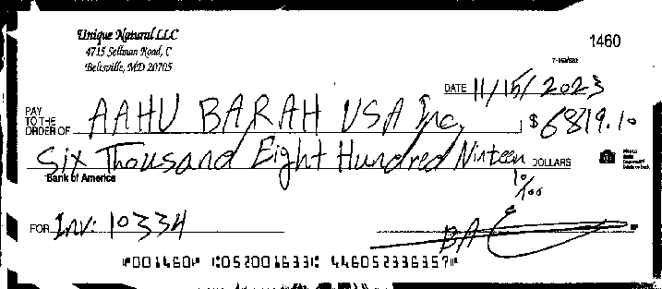 |  |  |  |  |  |  |  |  |  |  | 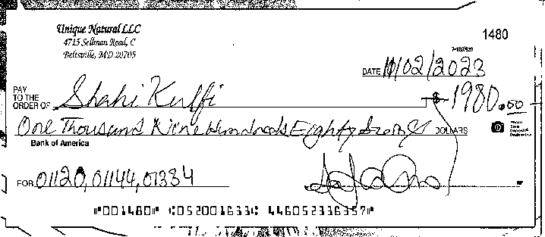
Check number: 1488 ! Amount: $4,000.00 Check number: 1493 ! Amount: $1,759.25
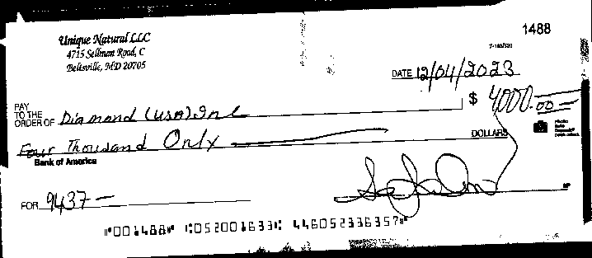 |  |  |  |  |  |  |  |  |  |  | 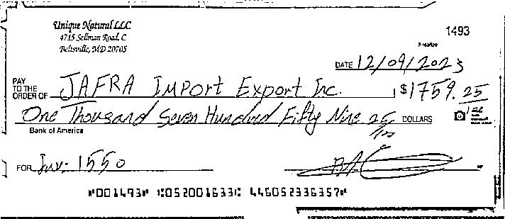
Check number: 1499 ! Amount: $1,872.00 Check number: 1500 ! Amount: $1,899.81
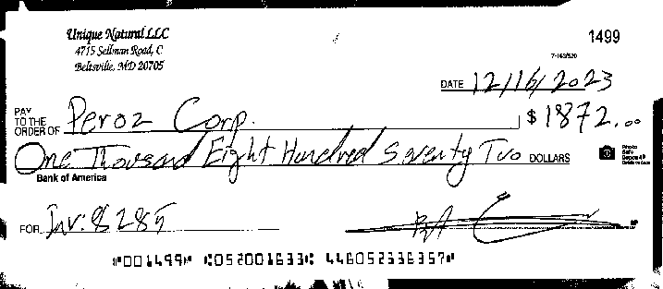 |  |  |  |  |  |  |  |  |  |  | 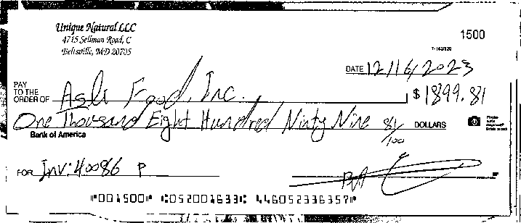
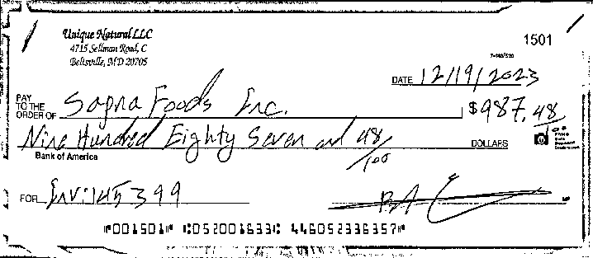
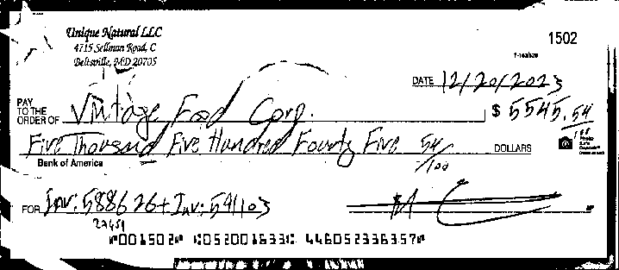
Check number: 1501 ! Amount: $987.48 Check number: 1502 ! Amount: $5,545.54

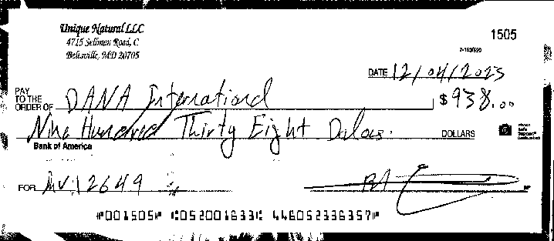
Check number: 1505 ! Amount: $938.00 Check number: 1506 ! Amount: $8,268.70
 |  |  |  |  |  |  |  |  |  |  | 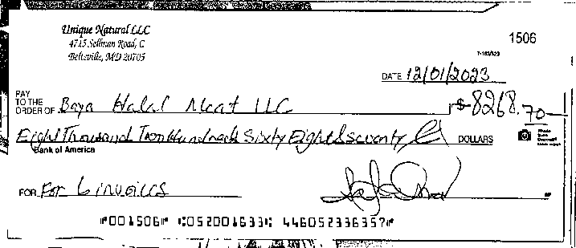
continued on the next page

UNIQUE NATURAL LLC ! Account # 4460 5233 6357 ! December 1, 2023 to December 31, 2023 Check images - continued Account number: 4460 5233 6357 Check number: 1507 ! Amount: $3,195.95 Check number: 1509 ! Amount: $2,050.00
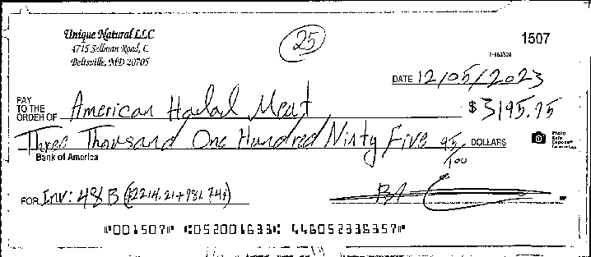 |  |  |  |  |  |  |  |  |  |  | 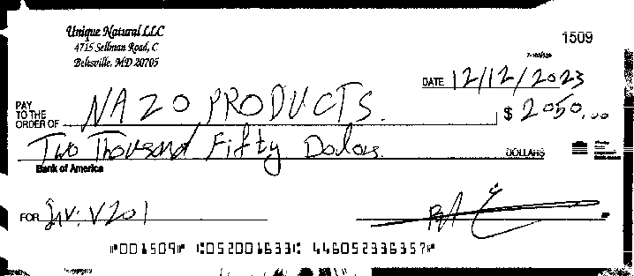
Check number: 1510 ! Amount: $3,501.74 Check number: 1512 ! Amount: $2,405.00
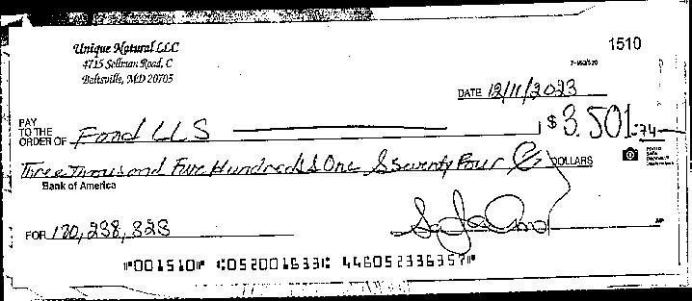 |  |  |  |  |  |  |  |  |  |  | 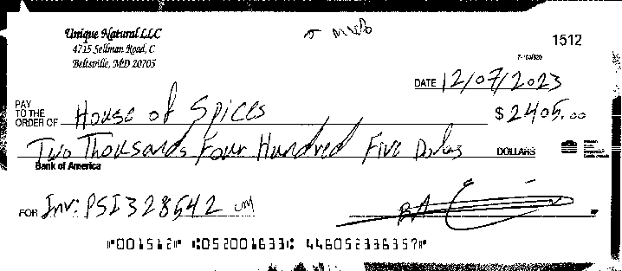
Check number: 1513 ! Amount: $52.33 Check number: 1514 ! Amount: $2,197.18
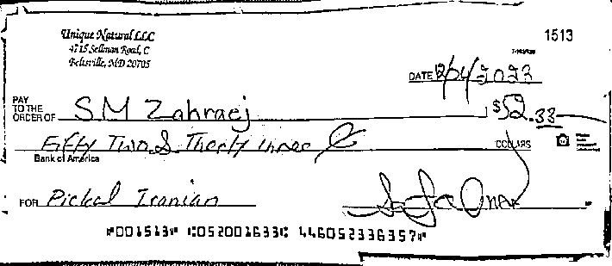 |  |  |  |  |  |  |  |  |  |  | 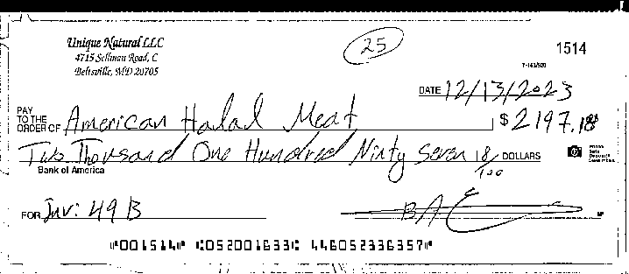
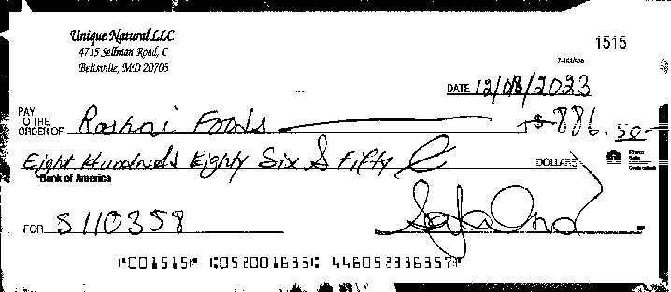
Check number: 1515 ! Amount: $886.50 Check number: 1516 ! Amount: $1,648.00
 |  |  |  |  |  |  |  |  |  |  | 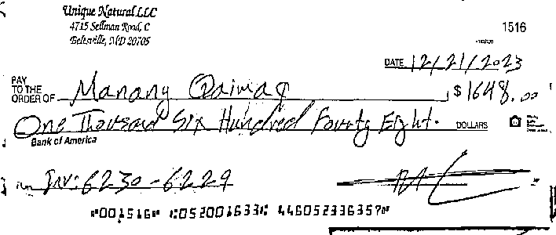
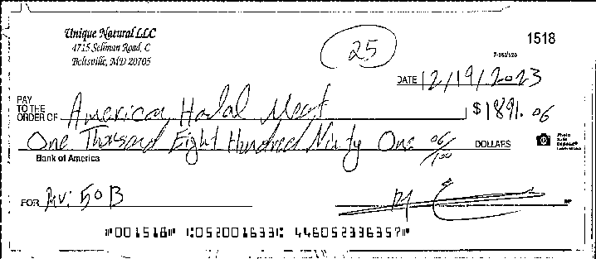
Check number: 1517 ! Amount: $108.00 Check number: 1518 ! Amount: $1,891.06
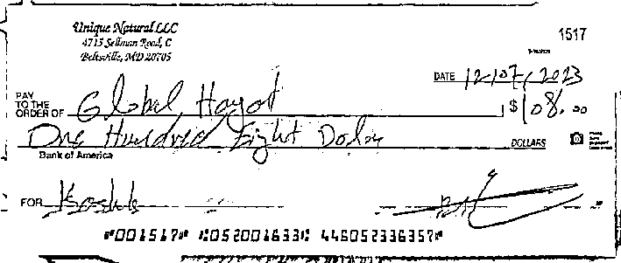
continued on the next page
Check images - continued Account number: 4460 5233 6357 Check number: 1519 ! Amount: $3,000.00 Check number: 1520 ! Amount: $144.00
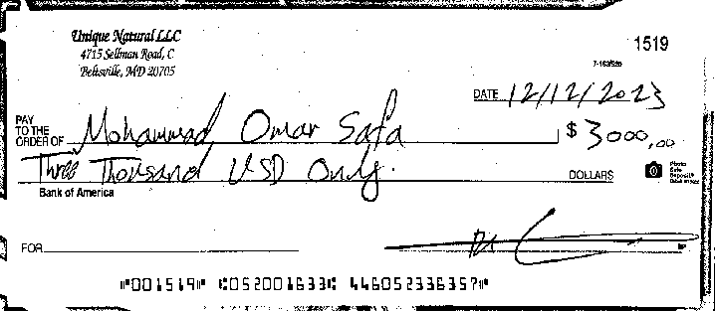 |  |  |  |  |  |  |  |  |  |  | 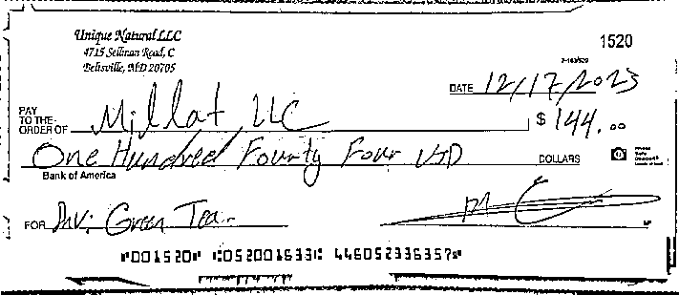
Check number: 1522 ! Amount: $578.00 Check number: 1525 ! Amount: $10,524.21
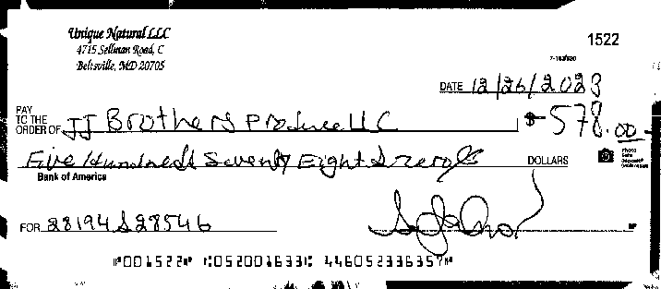 |  |  |  |  |  |  |  |  |  |  | 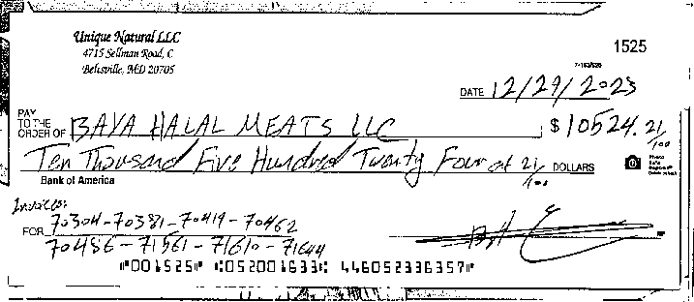
Check number: 1529 ! Amount: $728.65
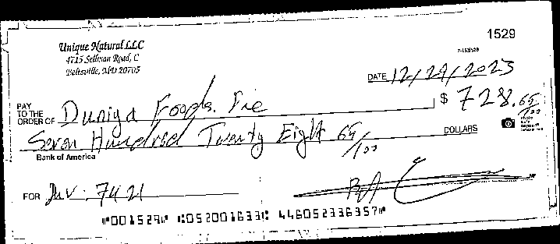
UNIQUE NATURAL LLC ! Account # 4460 5233 6357 ! December 1, 2023 to December 31, 2023
This page intentionally left blank

